Sheet1
This calculator is a tool for selecting the 3 resistor values needed to create
a variable output buck regulator as shown in the figure to the right.
Enter in the values in cells C13 - C18 and the results are shown in rows 28 and 29
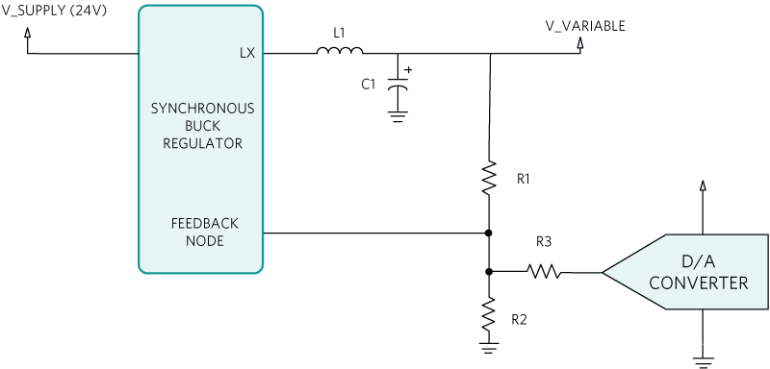

 | Value | Units

Choose R1 | 261000 | Ohms
D/A low voltage | 0.1 | V
D/A Hi Voltage | 2.4 | V
Variable out Low | 6 | V
Variable out Hi | 19 | V
Vref (internal Node) | 0.8 | V

y = mX + b
Slope (m) | -5.652 | V/V
offset (b) | 19.565 | V

This section calculates the nearest 1% resistor value and gives the actual voltage readings using these values
Izero | 7.19E-05 | A

R3 | 46176.92 | Ohms | Closest 1% resistor value | 46400 | Ohms | Actual Variable out High | 18.941581633 | Volts
R2 | 14659.34 | Ohms | Closest 1% resistor value | 14700 | Ohms | Actual Variable out Low | 6.0040816327 | Volts

